Contents
SOCIAL INEQUALITY: SCOPE, DEVELOPMENT, CONSEQUENCES

DATA

1. Is inequality of income growing?
Development of income inequality 1991-2014
2. How is wealth distributed in Germany?
Distribution of net wealth of private households in Germany: 2010 und 2014
3. Is Germany an unequal country?
Income inequality in Europe 2014
Wealth inequality in Europe 2014
4. Does inequality damage growth?
Estimated effects of changes in income inequality (Gini coefficient of net incomes)
5. What factors determine the perception of inequality in Germany?
How important are individual factors in explaining people’s self-perceived position in society (subjective social status)?
6. Inequality: How can the database be improved?
7. How widespread is poverty in Germany?
Development of income poverty 2005-2016
8. How will inequality develop in the next few years? What role do large-scale immigration and the minimum wage play?
9. What could be done to reduce inequality?

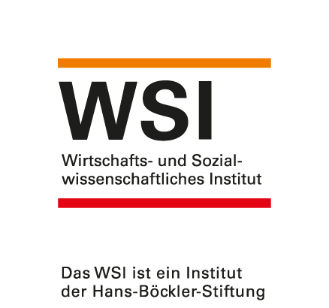

 | www.wsi.de/verteilungsmonitor
 | Updated: | July 2018
 | Contact: | dorothee-spannagel [at] boeckler.de

