Title
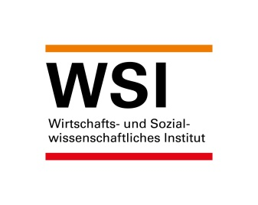

WSI Minimum Wage Database
Version: January 2025

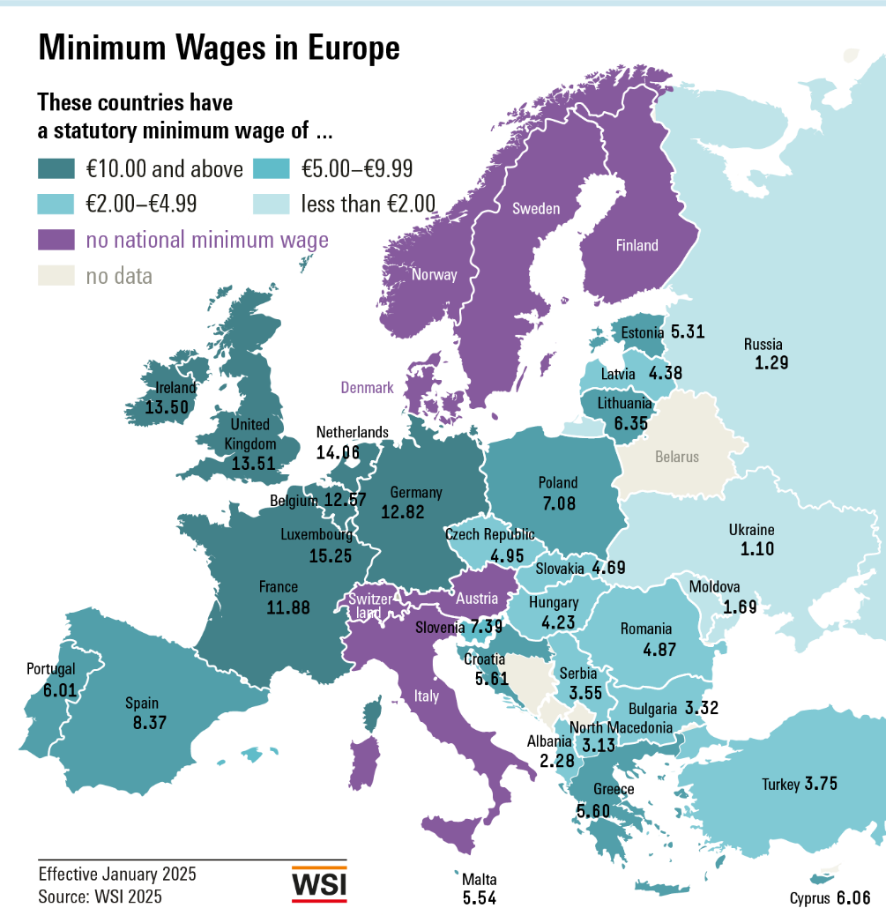

Contact:
Dr. Malte Lübker
Wirtschafts- und Sozialwissenschaftliches Institut (WSI)
der Hans-Böckler-Stiftung
Hans-Böckler-Straße 39
D-40476 Düsseldorf
Tel +49 (0)211 7778-574
E-Mail: malte.luebker@boeckler.de

Graph Europe in EUR
Statutory minimum wages (per hour, in EUR) as of 1 January 2025

Luxemburg | 15.25
Niederlande | 14.06
Irland | 13.50
Deutschland | 12.82
Belgien | 12.57
Frankreich | 11.88
Spanien | 8.37
Slowenien | 7.39
Polen | 7.08
Litauen | 6.35
Zypern | 6.06
Portugal | 6.01
Kroatien | 5.61
Griechenland | 5.60
Malta | 5.54
Estland | 5.31
Tschechien | 4.95
Rumänien | 4.87
Slowakei | 4.69
Lettland | 4.38
Ungarn | 4.23
Bulgarien | 3.32

Note: | Converted to euros using the average exchange rate for 2024.

Graph International in EUR
Statutory minimum wages (per hour, in EUR) as of 1 January 2025

Luxemburg | 15.25
Niederlande | 14.06
Irland | 13.50
Deutschland | 12.82
Belgien | 12.57
Frankreich | 11.88
Spanien | 8.37
Slowenien | 7.39
Polen | 7.08
Litauen | 6.35
Zypern | 6.06
Portugal | 6.01
Kroatien | 5.61
Griechenland | 5.60
Malta | 5.54
Estland | 5.31
Tschechien | 4.95
Rumänien | 4.87
Slowakei | 4.69
Lettland | 4.38
Ungarn | 4.23
Bulgarien | 3.32
Großbritannien* | 13.51
Türkei | 3.75
Serbien** | 3.55
Nordmazedonien** | 3.13
Albanien | 2.28
Moldawien | 1.69
Russland | 1.29
Ukraine | 1.10
Australien | 14.70
Neuseeland | 12.95
Kanada*** | 11.08
USA | 6.70
Korea | 6.80
Japan*** | 6.44
Argentinien | 1.45
Brasilien | 1.18

Notes: | Converted into euros using the average exchange rate for 2024.
 | * National Living Wage for employees aged over 23.
 | ** Estimated, as minimum wage is defined as net wage.
 | *** Weighted average of regional minimum wages.

Graph Europe in PPS
Statutory minimum wages (per hour, in PPS on a euro basis) as of 1 January 2025

 | 12.29
 | 12.26
 | 12.16
 | 11.92
 | 11.92
 | 11.81
 | 10.36
 | 9.32
 | 8.64
 | 8.55
 | 8.41
 | 8.19
 | 7.31
 | 7.03
 | 6.84
 | 6.61
 | 6.50
 | 6.15
 | 5.83
 | 5.80
 | 5.69
 | 5.48

Note: | Converted to PPS on a euro basis based on the purchasing power parities for private consumption reported by the World Bank for 2023.

Graph International in PPS
Statutory minimum wages (per hour, in PPS on a euro basis) as of 1 January 2025

Luxemburg | 12.29
Niederlande | 12.26
Irland | 12.16
Frankreich | 11.92
Belgien | 11.92
Deutschland | 11.81
Polen | 10.36
Spanien | 9.32
Slowenien | 8.64
Litauen | 8.55
Kroatien | 8.41
Rumänien | 8.19
Portugal | 7.31
Griechenland | 7.03
Zypern | 6.84
Malta | 6.61
Tschechien | 6.50
Ungarn | 6.15
Estland | 5.83
Slowakei | 5.80
Lettland | 5.69
Bulgarien | 5.48
Großbritannien* | 11.67
Nordmazedonien** | 7.00
Serbien** | 5.85
Türkei | 5.46
Albanien | 3.63
Russland | 2.97
Moldawien | 2.90
Ukraine | 2.57
Australien | 11.20
Neuseeland | 10.51
Kanada*** | 9.34
Korea | 8.63
Japan*** | 7.58
USA | 4.85
Brasilien | 1.84
Argentinien | 1.32

Notes: | Converted to PPS on a euro basis based on the purchasing power parities for private consumption reported by the World Bank for 2023.
 | * National Living Wage for employees aged over 23.
 | ** Estimated, as minimum wage is defined as net wage.
 | *** Weighted average of regional minimum wages.

Graph Nominal Development 2025
Nominal development of statutory minimum wages in 2025*

 | 83,8
Türkei | 30.0
Rumänien | 22.7
Russland | 16.6
Bulgarien | 16.3
Kroatien | 15.5
Serbien | 13.7
Ukraine | 12.7
Litauen | 12.4
Nordmazedonien | 12.1
Tschechien | 10.6
Polen | 10.1
Moldawien | 10.0
Großbritannien | 9.8
Estland | 9.3
Ungarn | 9.0
Slowakei | 8.8
Brasilien | 7.5
Griechenland | 6.4
Irland | 6.3
Portugal | 6.1
Niederlande | 6.0
Lettland | 5.7
Japan | 5.1
Spanien | 4.4
Malta | 3.9
Belgien | 3.8
Australien | 3.7
Kanada | 3.4
Deutschland | 3.3
Luxemburg | 2.6
Neuseeland | 2.0
Frankreich | 2.0
Slowenien | 1.9
Korea | 1.7
Albanien | 0.0
USA | 0.0
Zypern | 0.0

Graph Real Development 2025
Real development of statutory minimum wages in 2025*

 | 16,0
Bulgarien | 13.4
Litauen | 11.4
Kroatien | 11.0
Serbien | 8.5
Russland | 8.1
Tschechien | 7.7
Nordmazedonien | 7.6
Großbritannien | 7.0
Ukraine | 6.5
Polen | 6.3
Slowakei | 5.5
Estland | 5.3
Ungarn | 5.1
Irland | 4.9
Moldawien | 4.8
Lettland | 4.3
Portugal | 3.3
Griechenland | 3.3
Brasilien | 3.0
Japan | 2.8
Niederlande | 2.7
Spanien | 1.5
Malta | 1.4
Kanada | 1.0
Deutschland | 0.8
Australien | 0.4
Luxemburg | 0.4
Slowenien | -0.1
Frankreich | -0.3
Belgien | -0.5
Neuseeland | -0.7
Korea | -0.8
USA | -2.0
Albanien | -2.2
Zypern | -2.2
Türkei | -18.0
Argentinien | -44.3

Graph Development EU 2000-2025
 | Median minimum wage increase in the EU, 2000-2025*

 | Figures in percent, change on previous year
 | Nominale Entwicklung (Median für die EU) | Reale Entwicklung (Median für die EU)
2000 | 4.2 | 1.5
2001 | 5.7 | 1.4
2002 | 5.5 | 1.9
2003 | 5.6 | 1.7
2004 | 5.1 | 1.0
2005 | 6.3 | 1.5
2006 | 5.7 | 2.3
2007 | 5.1 | 2.2
2008 | 5.5 | 2.7
2009 | 4.3 | -0.0
2010 | 1.6 | 0.4
2011 | 1.4 | 0.1
2012 | 1.9 | -1.2
2013 | 2.1 | -0.7
2014 | 2.6 | 1.0
2015 | 2.2 | 2.4
2016 | 3.0 | 3.2
2017 | 5.0 | 4.4
2018 | 4.7 | 2.9
2019 | 5.2 | 3.2
2020 | 6.1 | 4.5
2021 | 3.1 | 1.6
2022 | 4.0 | 1.4
2023 | 12.0 | 0.4
2024 | 9.7 | 2.4
2025 | 6.2 | 3.8

Notes: | Based on 21 EU countries with a statutory minimum wage.
 | * Median value of the national rates of change, calculated on January 1 compared to January 1 of the previous year.
 | ** Price-adjusted for the change in the national consumer price in the previous year.

