Title
WSI Minimun Wage Database
Version: January 2024

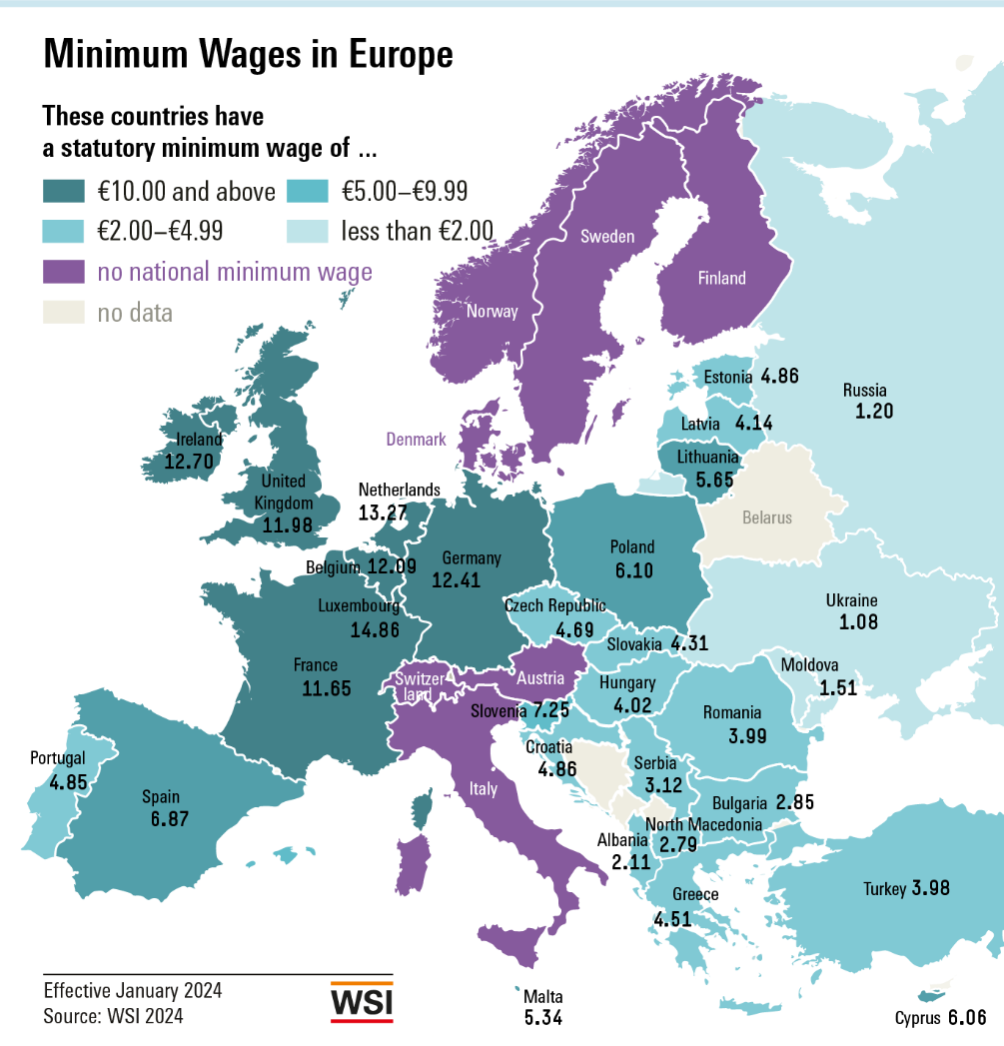

Contact:
Dr. Malte Lübker
Wirtschafts- und Sozialwissenschaftliches Institut (WSI)
der Hans-Böckler-Stiftung
Hans-Böckler-Straße 39
D-40476 Düsseldorf
Tel +49 (0)211 7778-574
E-Mail: malte.luebker@boeckler.de

Fig Europa in EUR Jan 2024
Statutory minimum wages (per hour, in EUR) as of 1 January 2024

Luxembourg | 14.86
Netherlands | 13.27
Ireland | 12.70
Germany | 12.41
Belgium | 12.09
France | 11.65
Slovenia | 7.25
Spain | 6.87
Poland | 6.10
Cyprus | 6.06
Lithuania | 5.65
Malta | 5.34
Estonia | 4.86
Croatia | 4.86
Portugal | 4.85
Czech Republic | 4.69
Greece | 4.51
Slovakia | 4.31
Latvia | 4.14
Hungary | 4.02
Romania | 3.99
Bulgaria | 2.85

Notes: | Converted to euros using the average exchange rate for 2023.

Fig Internat. in EUR Jan 2024
Statutory minimum wages (per hour, in EUR) as of 1 January 2024

Luxembourg | 14.86
Netherlands | 13.27
Ireland | 12.70
Germany | 12.41
Belgium | 12.09
France | 11.65
Slovenia | 7.25
Spain | 6.87
Poland | 6.10
Cyprus | 6.06
Lithuania | 5.65
Malta | 5.34
Estonia | 4.86
Croatia | 4.86
Portugal | 4.85
Czech Republic | 4.69
Greece | 4.51
Slovakia | 4.31
Latvia | 4.14
Hungary | 4.02
Romania | 3.99
Bulgaria | 2.85
United Kingdom* | 11.98
Turkey | 3.98
Serbia** | 3.12
North Macedonia** | 2.79
Albania | 2.11
Moldova | 1.51
Russia | 1.20
Ukraine | 1.08
Australia | 14.26
New Zealand | 12.88
Canada*** | 10.88
Korea | 6.98
United States | 6.70
Japan*** | 6.59
Argentina | 2.44
Brazil | 1.19

Notes: | Converted to euros using the average exchange rate for 2023.
 | * National Living Wage for workers aged 23 and above
 | ** Estimated as the minimum wage is specified in net terms
 | *** Weighted average of regional minimum wages

Fig Internat. PPS Jan 2024
Statutory minimum wages (per hour, in PPS on a euro basis) as of 1 January 2024

Germany | 9.94
Netherlands | 9.92
Luxembourg | 9.47
France | 9.23
Belgium | 9.18
Poland | 8.38
Ireland | 7.57
Slovenia | 6.98
Lithuania | 6.29
Spain | 6.21
Romania | 5.89
Croatia | 5.76
Cyprus | 5.74
Malta | 5.18
Hungary | 5.12
Portugal | 4.71
Czech Republic | 4.57
Estonia | 4.48
Greece | 4.47
Latvia | 4.33
Bulgaria | 4.26
Slovakia | 4.10
Turkey | 12.86
United Kingdom | 8.18
North Macedonia** | 4.73
Serbia** | 4.25
Ukraine | 2.79
Albania | 2.75
Russia | 2.42
Moldova | 2.27
Australia | 9.43
New Zealand | 8.90
Canada*** | 7.53
Argentina | 7.22
Korea | 6.34
Japan*** | 5.65
United States | 4.51
Brazil | 1.56

Notes: | Converted to euros using the average exchange rate for 2022.
 | * National Living Wage for workers aged 23 and above
 | ** Estimated as the minimum wage is specified in net terms
 | *** Weighted average of regional minimum wages

Fig Europa PPS Jan 2024
Statutory minimum wages (per hour, in PPS on a euro basis) as of 1 January 2024

Germany | 9.94
Netherlands | 9.92
Luxembourg | 9.47
France | 9.23
Belgium | 9.18
Poland | 8.38
Ireland | 7.57
Slovenia | 6.98
Lithuania | 6.29
Spain | 6.21
Romania | 5.89
Croatia | 5.76
Cyprus | 5.74
Malta | 5.18
Hungary | 5.12
Portugal | 4.71
Czech Republic | 4.57
Estonia | 4.48
Greece | 4.47
Latvia | 4.33
Bulgaria | 4.26
Slovakia | 4.10

Notes: | Converted to PPS on a Euro basis using 2022 World Bank purchasing power parities for private consumption

Fig Nominal Development 2024
Nominal development of statutory minimum wages in 2024*

Turkey | 99.9
Moldova | 25.0
Poland | 21.5
Croatia | 20.0
Russia | 18.5
Bulgaria | 18.2
Serbia | 17.8
Albania | 17.6
Hungary | 15.0
Estonia | 13.0
Netherlands | 12.9
Latvia | 12.9
North Macedonia | 12.6
Ireland | 12.4
Malta | 10.8
Romania | 10.0
Lithuania | 9.9
United Kingdom | 9.7
Greece | 9.4
Australia | 8.7
Brazil | 8.4
Czech Republic | 8.4
Portugal | 7.9
Luxembourg | 7.7
Slovakia | 7.1
New Zealand | 7.1
Canada | 6.4
Cyprus | 6.4
Ukraine | 6.0
Spain | 5.0
Japan | 4.3
Slovenia | 4.2
Germany | 3.4
France | 3.4
Korea | 2.5
Belgium | 2.0
United States | 0.0

Fig Real Development 2024
Real development of statutory minimum wages in 2024*

Turkey | 29.8
Germany | -2.5
Bulgaria | 8.9
Moldova | 10.3
Latvia | 3.5
Romania | 0.2
Belgium | -0.3
North Macedonia | 3.3
Russia | 12.5
Slovenia | -2.8
Serbia | 5.2
Poland | 9.6
Croatia | 10.7
Japan | 1.0
Hungary | -1.7
France | -2.2
Netherlands | 8.5
Albania | 12.3
New Zealand | 2.0
Portugal | 2.5
Spain | 1.5
Korea | -0.9
Ireland | 6.9
Malta | 5.0
Australia | 2.7
Greece | 5.0
Brazil | 3.5
Luxembourg | 4.6
United Kingdom | 1.9
Canada | 2.7
Lithuania | 1.1
Slovakia | -3.5
Czech Republic | -3.2
Estonia | 3.6
United States | -2.9
Ukraine | -9.9
Cyprus | 2.3

Fig Development EU 2000-2024
Median minimum wage increase in the EU, 2000-2024*

Data in percent, median change compared to the previous year
 | Nominal Change (Median for the EU) | Real Change (Median for the EU)
2000 | 4.2 | 1.5
2001 | 5.7 | 1.1
2002 | 5.5 | 1.6
2003 | 5.6 | 1.6
2004 | 5.1 | 1.2
2005 | 6.3 | 1.7
2006 | 5.7 | 2.0
2007 | 5.1 | 2.5
2008 | 5.5 | 3.2
2009 | 4.3 | 0.0
2010 | 1.6 | 0.2
2011 | 1.4 | -0.2
2012 | 1.9 | -1.2
2013 | 2.1 | -0.8
2014 | 2.6 | 1.2
2015 | 2.2 | 1.4
2016 | 3.0 | 3.2
2017 | 5.0 | 5.0
2018 | 4.7 | 3.0
2019 | 5.2 | 3.9
2020 | 6.1 | 4.6
2021 | 3.1 | 2.2
2022 | 4.0 | 1.8
2023 | 12.0 | 0.6
2024 | 9.7 | 2.5

* Median value of the national rates of change, each on January 1st compared to January 1st of the previous year.
Based on currently 21 EU countries with a statutory minimum wage.
** Price-adjusted for the change in the national consumer price in the previous year.

