Title
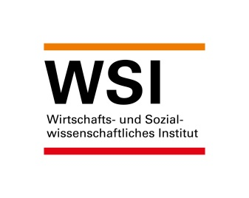

WSI Minimun Wage Database
Version: January 2022
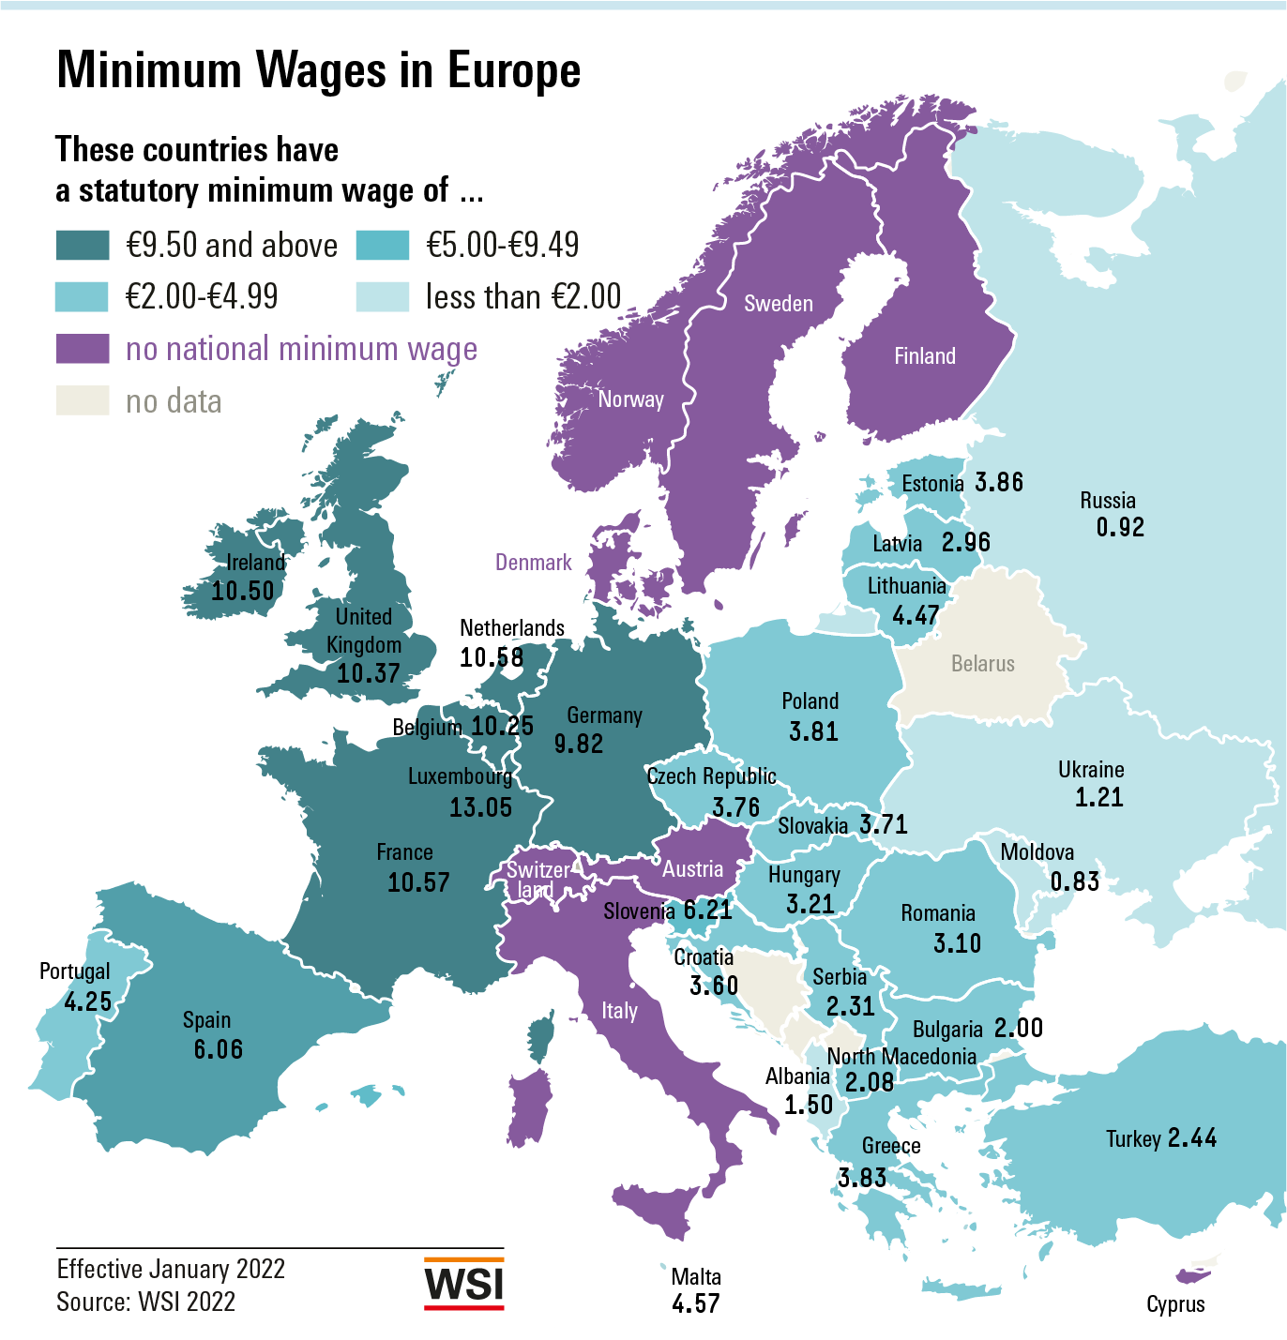

Contact:
Prof. Dr. Thorsten Schulten
Wirtschafts- und Sozialwissenschaftliches Institut (WSI)
der Hans-Böckler-Stiftung
Georg-Glock-Straße 18
D-40474 Düsseldorf
Tel +49 (0)211 7778-239
Fax +49 (0)211 7778-250
Email Thorsten-Schulten@boeckler.de

Fig Europe in EUR Jan 2022
Statutory minimum wages (per hour, in EUR) as of 1 January 2022

Luxembourg | 13.05
Netherlands | 10.58
France | 10.57
Ireland | 10.50
Belgium | 10.25
Germany | 9.82
Slovenia | 6.21
Spain | 6.06
Malta | 4.57
Lithuania | 4.47
Portugal | 4.25
Estonia | 3.86
Greece | 3.83
Poland | 3.81
Czech Republic | 3.76
Slovakia | 3.71
Croatia | 3.60
Hungary | 3.21
Romania | 3.10
Latvia | 2.96
Bulgaria | 2.00

Notes: | Converted to euros using the average exchange rate for 2021.

Fig Internat. in EUR Jan 2022
Statutory minimum wages (per hour, in EUR) as of 1 January 2022

European Union
Luxembourg | 13.05
Netherlands | 10.58
France | 10.57
Ireland | 10.50
Belgium | 10.25
Germany | 9.82
Slovenia | 6.21
Spain | 6.06
Malta | 4.57
Lithuania | 4.47
Portugal | 4.25
Estonia | 3.86
Greece | 3.83
Poland | 3.81
Czech Republic | 3.76
Slovakia | 3.71
Croatia | 3.60
Hungary | 3.21
Romania | 3.10
Latvia | 2.96
Bulgaria | 2.00
Other Europe
United Kingdom | 10.37
Turkey | 2.44
Serbia** | 2.31
North Macedonia** | 2.08
Albania | 1.50
Ukraine | 1.21
Russia | 0.92
Moldova | 0.83
Outside of Europe
Australia | 12.91
New Zealand | 11.96
Canada*** | 9.67
Japan*** | 7.16
Korea | 6.76
United States | 6.13
Argentina | 1.42
Brazil | 0.86

Notes: | Converted to euros using the average exchange rate for 2021.
 | * National Living Wage for workers aged 23 and above
 | ** Estimated as the minimum wage I specified in net terms
 | *** Weighted average of regional minimum wages: in some instances, more than one adjustment each year

Fig Europe PPS Jan 2022
Statutory minimum wages (per hour, in PPS on a euro basis) as of 1 January 2022

European Union
Luxembourg | 9.09
France | 8.78
Netherlands | 8.61
Germany | 8.60
Belgium | 8.43
Ireland | 7.31
Slovenia | 6.80
Poland | 6.25
Lithuania | 6.14
Spain | 6.01
Romania | 5.42
Malta | 4.91
Croatia | 4.90
Hungary | 4.82
Czech Republic | 4.56
Portugal | 4.52
Estonia | 4.38
Greece | 4.23
Slovakia | 3.98
Latvia | 3.67
Bulgaria | 3.41

Notes: | Converted to PPS on a Euro basis using 2020 World Bank purchasing power parities for private consumption

Fig Internat. in PPS Jan 2022
Statutory minimum wages (per hour, in PPS on a euro basis) as of 1 January 2022

European Union
Luxembourg | 9.09
France | 8.78
Netherlands | 8.61
Germany | 8.60
Belgium | 8.43
Ireland | 7.31
Slovenia | 6.80
Poland | 6.25
Lithuania | 6.14
Spain | 6.01
Romania | 5.42
Malta | 4.91
Croatia | 4.90
Hungary | 4.82
Czech Republic | 4.56
Portugal | 4.52
Estonia | 4.38
Greece | 4.23
Slovakia | 3.98
Latvia | 3.67
Bulgaria | 3.41
Other Europe
United Kingdom | 7.88
Turkey | 7.10
North Macedonia** | 3.90
Serbia** | 3.80
Ukraine | 3.31
Albania | 2.45
Russia | 2.03
Moldova | 1.78
Outside of Europe
Australia | 8.90
New Zealand | 8.63
Canada*** | 7.62
Korea | 6.47
Japan*** | 5.66
United States | 5.03
Argentina | 3.81
Brazil | 1.56

Notes: | Converted to PPS on a Euro basis using 2020 World Bank purchasing power parities for private consumption
 | * National Living Wage for workers aged 23 and above
 | ** Estimated as the minimum wage I specified in net terms
 | *** Weighted average of regional minimum wages: in some instances, more than one adjustment each year

Fig Nominal Development 2022
Nominal development of statutory minimum wages in 2022*

Argentina | 55.4
Turkey | 39.9
Hungary | 24.2
Lithuania | 13.7
Estonia | 10.9
Romania | 10.9
Croatia | 10.3
Brazil | 10.2
Serbia | 9.4
Russia | 8.6
Ukraine | 8.3
Poland | 7.5
Albania | 6.7
Czech Republic | 6.5
Portugal | 6.0
New Zealand | 5.8
Spain | 5.3
Korea | 5.0
Slovenia | 4.9
Belgium | 4.0
Slovakia | 3.6
Canada | 3.6
Germany | 3.4
France | 3.1
Japan | 3.1
Ireland | 2.9
Luxembourg | 2.5
Australia | 2.5
Netherlands | 2.4
United Kingdom | 2.2
Greece | 2.0
North Macedonia | 1.7
Malta | 1.0
Latvia | 0.0
Bulgaria | 0.0
Moldova | 0.0
United States | 0.0

Fig Real Development2022
Real development of statutory minimum wages in 2022*

Hungary | 18.0
Turkey | 17.0
Lithuania | 8.7
Croatia | 7.4
Romania | 6.5
Estonia | 6.2
Serbia | 5.1
Portugal | 5.0
Albania | 4.7
Japan | 3.3
Czech Republic | 3.1
Argentina | 3.0
Korea | 2.8
Slovenia | 2.8
New Zealand | 2.8
Russia | 2.5
Brazil | 2.3
Spain | 2.2
Poland | 2.1
Greece | 1.4
France | 1.0
Belgium | 0.8
Slovakia | 0.8
Ireland | 0.6
Canada | 0.4
Malta | 0.3
Germany | 0.1
United Kingdom | 0.0
Australia | 0.0
Netherlands | -0.4
Luxembourg | -0.9
Ukraine | -1.1
North Macedonia | -1.6
Bulgaria | -2.8
Moldova | -2.9
Latvia | -3.1
United States | -4.1

Fig Development EU 2000-2022
Median minimum wage increase in the EU, 2000-2022*

 | Data in percent, median change compared to the previous year
 | Nominal Change (Median for the EU) | Real Change (Median for the EU)
2000 | 4.2 | 1.9
2001 | 5.7 | 1.4
2002 | 5.5 | 1.9
2003 | 5.6 | 1.7
2004 | 5.1 | 1.0
2005 | 6.3 | 1.5
2006 | 5.7 | 2.3
2007 | 5.1 | 2.2
2008 | 5.5 | 2.7
2009 | 4.3 | -0.0
2010 | 1.6 | 0.4
2011 | 1.4 | 0.1
2012 | 1.9 | -1.2
2013 | 2.1 | -0.7
2014 | 2.6 | 1.0
2015 | 1.8 | 2.4
2016 | 3.0 | 3.2
2017 | 5.0 | 4.4
2018 | 4.7 | 2.9
2019 | 5.2 | 3.2
2020 | 6.1 | 4.5
2021 | 3.1 | 1.6
2022 | 4.0 | 1.4

 | * Median value of the national rates of change, each on January 1st compared to January 1st of the previous year.
 | Based on currently 21 EU countries with a statutory minimum wage.
 | ** Price-adjusted for the change in the national consumer price in the previous year.

